Key to Risks
Key to Risks
Summary of Impact and Likelihood
The scoring and classifications are based on the matrix below.
 | Risk Matrix

 | 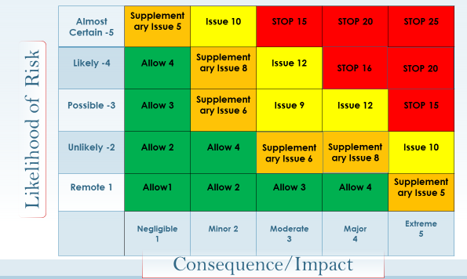

 | Impact
 | Description | Score | Impact on Organization
 | Negligible | 1 | - No impact on service
 |  |  | - No impact on reputation
 |  |  | - Complaint unlikely
 |  |  | - Litigation risk remote
 | Minor | 2 | - Slight impact on service
 |  |  | - Slight impact on reputation
 |  |  | - Complaint possible
 |  |  | - Litigation possible
 | Moderate | 3 | - Some service disruption
 |  |  | - Potential for adverse publicity - avoidable with careful handling
 |  |  | - Complaint probable
 |  |  | - Litigation probable
 | Major | 4 | - Service disrupted
 |  |  | - Adverse publicity not avoidable (local media)
 |  |  | - Complaint probable
 |  |  | - Litigation probable
 | Extreme | 5 | - Service interrupted for significant time
 |  |  | - Major adverse publicity not avoidable (national media)
 |  |  | - Major litigation expected
 |  |  | - Resignation of senior management and board
 |  |  | - Loss of beneficiary confidence

 | Likelihood
 | Descripton | Score | Example
 | Remote | 1 | May only occur in exceptional circumstances
 | Unlikely | 2 | Expected to occur in a few circumstances
 | Possible | 3 | Expected to occur in some circumstances
 | Likely | 4 | Expected to occur in many circumstances
 | Almost Certain | 5 | Expected to occur frequently and in most circumstances

